Instructions Pre-Serial Parts
Instructions
1 | The purpose of the label is the correct posting of materials into the KA stock management system, to ensure smooth launches and avoid extra -orders, -costs and -transports of pre series parts.
2 | To be able to see the barcodes of the Shipping Label, you need to install the font "Code 3 de 9". This font can only display: - small letters - cappital letters - numbers - Dollar signs ($) - Plus (+) - Minus (-) - Star (*) - Slash (/) - Dot (.)
3 | To install the necessary TrueType form "Code 3 de 9", please double-click on the file "Code39.ttf" and click install in the window that will pop-up. If it's not working, please ask your IT-Department if the installation of TrueType forms may be restricted in your company. | 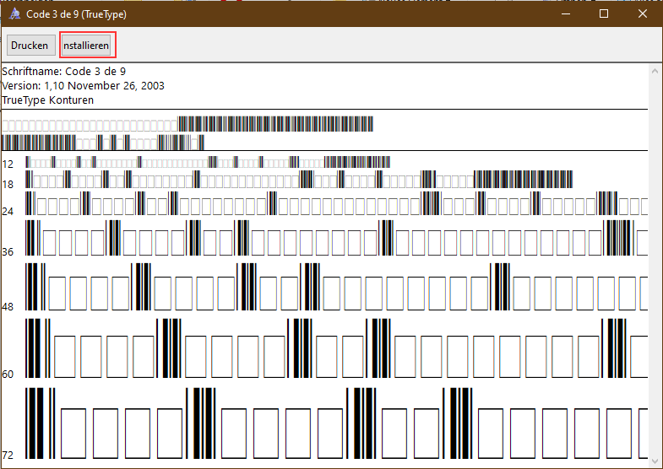
4 | If you do not find the right shipping address in the dropdown, go to the sheet "Extra Shipping Address" fill out the green files and go back to the dropdown. The address you entered should be now listed as the last option.
5 | The majority of information can be found on the corresponding Purchase Order: | 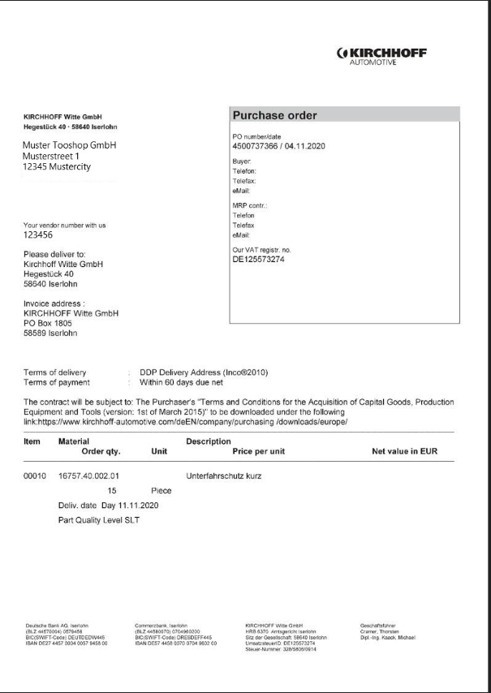

6 | 1) Ship to Kirchhoff plant, or integrator In the most cases, the parts go directly to the home line plant. For these cases, you find the shipping address on the corresponding Purchase Order. Sometimes, your ME-Tooling Engineer will inform you that the parts need to go directly to an integrator. In this case, your ME-Tooling Engineer will provide the Integrator’s delivery address to you. In both cases, please indicate clearly, who is the correct contact person (Home line Plant = Plant ME contact; Integrator = Contact provided by ME-Tooling Engineer). | 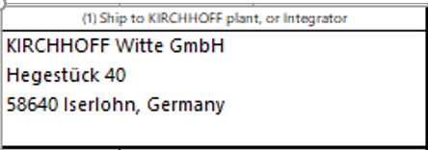 
7 | Prior to shipping the parts, the tooling shop should send a photo of the parts and packaging to the ME Tooling Engineer. These photos should enable the ME-Tooling Engineer to check the parts in terms of damages like cracks, burrs, wrinkles, scratches, etc. and to check the Packaging of the parts.
8 | 2) KIRCHHOFF Project Number Please fill in this gap with the four-digit project number. If this number is not known to you, please get in contact with the ME-Tooling Engineer.
9 | 3) SAP Purchase Order Number Please make sure that our ten-digit Purchase Order number will be mentioned in this gap. The number can be found on the Purchase Order | 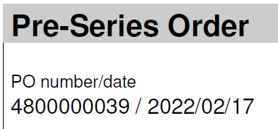
10 | 4) Supplier address / Sender Please enter your correct address here! This ensures that we can easier track your delivery.
11 | 5) Supplier Contact Person In case that there should be any questions about the delivery, it is necessary that a contact person is also entered here so that we can get in touch with them.
12 | 6) Pos. No in KA Purchase Order / line item Please note the individual line item in the Purchase Order, so that a smooth process is guaranteed by proper allocation. The position number can be found on the Purchase Order | 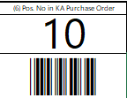
13 | 7) Custom reference number / KIRCHHOFF KA number Please fill in this gap with our part number. (only the sequence of numbers without individual points: e.g. for KA16757.40.002.01 enter only 167574000201) The part number can be found on the Purchase Order. If there was another Index communicated through the responsible Tooling Engineer, please use this Index Number (last two digits). Please crosscheck with the responsible tooling engineer the right index before sendind of parts. | 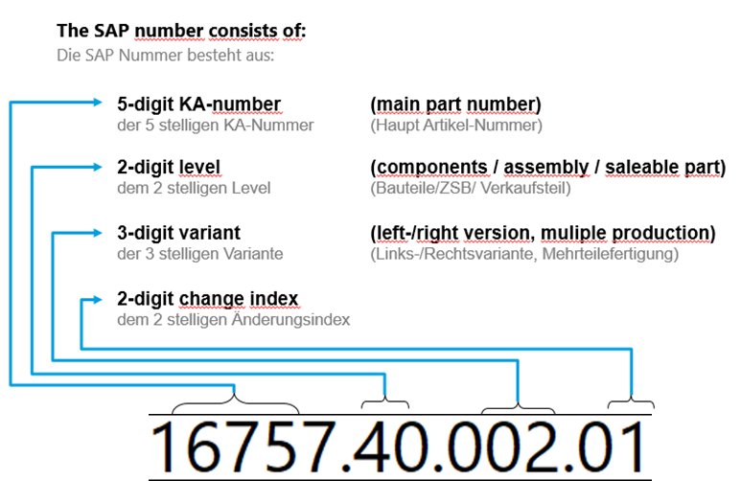
14 | 8) Quantity (pieces) Please indicate here the exact quantity of your delivery. Please always specify the quantity in pieces not in sets, otherwise the parts cannot be booked into our SAP-system. The ordered amount of parts can be found on the Purchase Order | 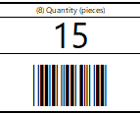
15 | 9) Part status ( SLT / SST) Definition SLT: serial part with laser trim from tool shop Definition SST: Serial part with serial trim from tool shop Please indicate clearly the part status (either SLT or SST). You find this required information on the official KA Purchase Order. | 
16 | 10) Customer Marking Specification of the production date according to the corresponding customer standard. For example: calendar week / production year The customer standards can be found in the Global Technical Standard (GTS) Tooling. | 
17 | 11) Customer Quality Level Please follow the information in the Global Technical Standard or consult with your KA ME Engineer. e.g. VW = Generationsstand / generation index | 
18 | 13) The above-mentioned fields 9-11 will be combined into one “Batch number”, in field 13. This Batch number is highly important for us to distinguish different part quality levels inside one part index. In summary, the fields 9-11 should not exceed a length of 10 digits. | 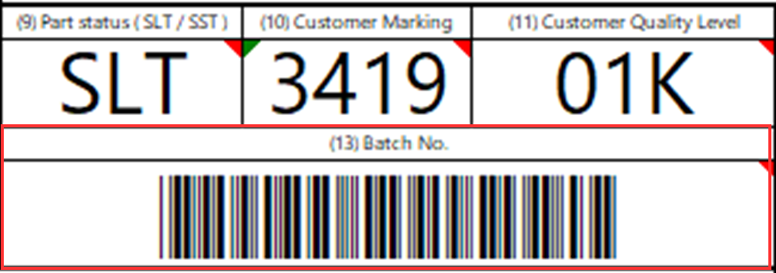
19 | 12) Parts for Carline / Product Specification of the exact carline of the customer, if known, and the part name. The part name can be found on the PO
20 | 14) Production date Please fill in the Production date according to the following standard (dd/mm/yyyy).
21 | 15) Phone number recipient Please also include the telephone number of the KA ME Plant contact (for deliveries to Home line plant) or the Integrator’s contact.
22 | 16) Delivery note number supplier Please enter your delivery note number here. Attention: Max. 16 characters/digits allowed! Otherwise, parts cannot be booked into our SAP-system.
23 | 17) Final information After the delivery has been properly registered in our system, the corresponding ME Engineer is informed about the delivery.
24 | Please make sure you place this label visibly on packages / boxes. Do not combine information of several parts on one label. This will prevent correct booking into our SAP-system. If you put several parts into one box, please fill out one label per part and attach all labels to this box. In addition to the label on the box, please print out one additional example of each label and attach it to your delivery papers.

Instructions Tools
Instructions
1 | The purpose of the label is the correct posting of materials into the KA stock management system, to ensure smooth launches and avoid extra -orders, -costs and -transports of tools.
2 | To be able to see the barcodes of the Shipping Label, you need to install the font "Code 3 de 9". This font can only display: - small letters - cappital letters - numbers - Dollar signs ($) - Plus (+) - Minus (-) - Star (*) - Slash (/) - Dot (.)
3 | To install the necessary TrueType form "Code 3 de 9", please double-click on the file "Code39.ttf" and click install in the window that will pop-up. If it's not working, please ask your IT-Department if the installation of TrueType forms may be restricted in your company.
4 | If you do not find the right shipping address in the dropdown, go to the sheet "Extra Shipping Address" fill out the green files and go back to the dropdown. The address you entered should be now listed as the last option.
5 | The majority of information can be found on the corresponding Purchase Order:

6 | 1) Ship to Kirchhoff plant In the most cases, the tools go directly to the home line plant. For these cases, you find the shipping address on the corresponding Purchase Order. Please indicate clearly, who is the correct contact person (Home line Plant = Plant ME contact; Integrator = Contact provided by ME-Tooling Engineer).
8 | 2) KIRCHHOFF Project Number Please fill in this gap with the four-digit project number. If this number is not known to you, please get in contact with the ME-Tooling Engineer.
9 | 3) SAP Purchase Order Number Please make sure that our ten-digit Purchase Order number will be mentioned in this gap. The number can be found on the Purchase Order |  
10 | 4) Supplier address / Sender Please enter your correct address here! This ensures that we can easier track your delivery.
11 | 5) Supplier Contact Person In case that there should be any questions about the delivery, it is necessary that a contact person is also entered here so that we can get in touch with them.
12 | 6) Pos. No in KA Purchase Order / line item Please note the individual line item in the Purchase Order, so that a smooth process is guaranteed by proper allocation. The position number can be found on the Purchase Order
13 | 7) KIRCHHOFF KA number Please fill in this gap with our part number. (only the sequence of numbers without individual points: e.g. for KA16757.40.002.01 enter only 167574000201) The part number can be found on the Purchase Order. If there was another Index communicated through the responsible Tooling Engineer, please use this Index Number (last two digits). Please crosscheck with the responsible tooling engineer the right index before sendind of parts.
14 | 8) Quantity (pieces) Please indicate here the exact quantity of your delivery. Please always specify the quantity in pieces not in sets, otherwise the parts cannot be booked into our SAP-system. The ordered amount of parts can be found on the Purchase Order
19 | 12) Tool Type Specification of the exact carline of the customer, if known, and the part name. The part name can be found on the PO
20 | 14) Production date Please fill in the Production date according to the following standard (dd/mm/yyyy).
21 | 15) Phone number recipient Please also include the telephone number of the KA ME Plant contact (for deliveries to Home line plant) or the Integrator’s contact.
22 | 16) Delivery note number supplier Please enter your delivery note number here. Attention: Max. 16 characters/digits allowed! Otherwise, parts cannot be booked into our SAP-system.
23 | 17) Final information After the delivery has been properly registered in our system, the corresponding ME Engineer is informed about the delivery.
24 | Please make sure you place this label visibly on packages / boxes. Do not combine information of several parts on one label. This will prevent correct booking into our SAP-system. If you put several parts into one box, please fill out one label per part and attach all labels to this box. In addition to the label on the box, please print out one additional example of each label and attach it to your delivery papers.

